Sheet1
Current Platform Roles and definition as of April 2026
Core Platform User Roles | Defintion - These are the highest categories of roles that a user can be classified as across the core platform and managed by Admins within the tenant's "User" pane | Relationship between Roles | User Roles & Available Functions in WebUI as Collaborator or "shared with me" page if External | Upload Files to WebUI | View Audit logs of Files they Own | Delete Files they Own | Set Co-Ownership of files They Own | Change Policy of File they Own | Add new recipients to files they own | Create Workspaces | Delete Workspaces
Collaborator | Collaborators are users licensed for the full capabilities of the webUI (and any additional licesned Connectors) to share data, create workspaces, and manage files that they own. | Any user can be converted to any of these 4 roles within the platform by an Admin. This includes the ability to convert an external user to a licensed Collaborator and vice versa, which is an important point because it errodes the distinction between internal and external users across the platform. The platform has also relied on this function due to the inability to reassign ownership of files by Admins and there the conversion of Collaborator to External has supported a workaround to offboarding Collaborators, without deleting the actives files that may have been necessary to maintain in the platform. | Collaborator
External | Externals are the default role of recipients of SpecterX files who are not part of the primary domain of the licensed organization. |  | External
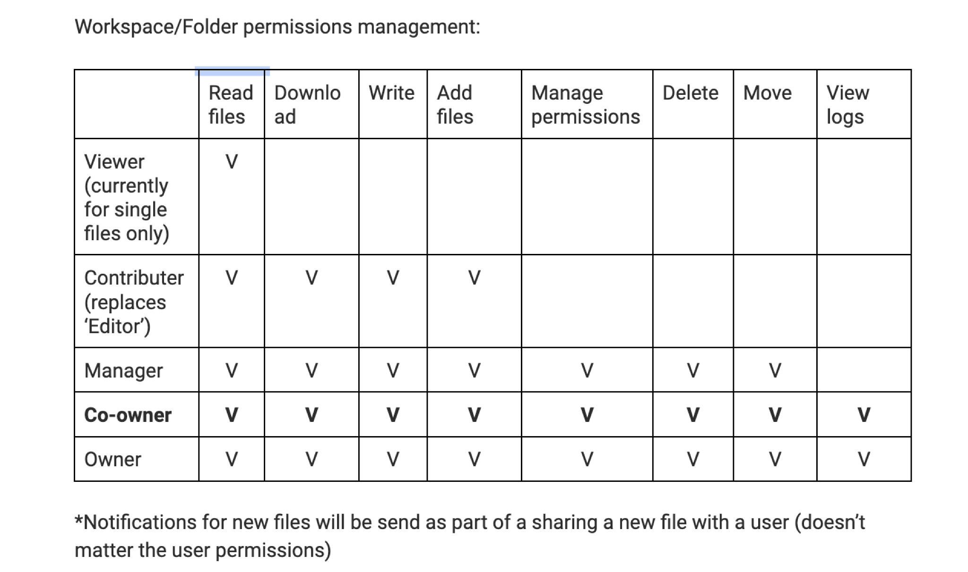
Admin | A user within the Core platform that has all the capabilites of a Collaborator (to share data and manage files the admin uploads) AND has additional panes available within the WebUI to see all file audit logs of all users within the tenant, view "All Files", configures services within the settings page, and manage users and groups. Management of users extends to creation & deletion of users and groups as well as reassign user roles. |  | Admin
Auditor | Auditors can only access the core platform and only only access audit logs. The auditor has no other access within the platform.

Core Platform Data Roles | Defintion - The roles are attached to individual files or folders in relationship with owners or recipients within the platform. | Relationship between Roles
Owner | An Owner (referred to as a data owners) is the user that uploads the file to the SpecterX platform.The Owner can add other recipients, revoke access, can view audit logs of files they own, and delete files they own, as well as re-assign the data roles of recipients attached to files they own. | Within the permissions draw, the data owner (and any designited co-owners, can manage permissions of existing recipients by converting any existing recipient as a co-owner, viewer, or contributer. As a user cannot be assigned both as a co-owner and a contributer or viewer, it must be assumed that co-owners (and of course owners) can edit files when supported by the platform.
Co-Owner | A co-owner can be assigned by the data owner as a co-owner of individual files, a folder, or a workspace. The platform presents the ability for co-owners to have equal file management controls as the owner, including managing file permissions, viewing logs and deleting files.
Manager (?) | Does not exist? Listing only because it was shown in the original user role grid.

Recipient Roles | Recipient Roles are roles separate from ownership roles that were intended to designate if a recipient can or cannot edit a file, but are rolled up within the same category of role as Owner and Co-owner. As editing permissions are minimally supported (on not at all with AIP editing turned off) across the SpecterX platform, these role have very little impact at present.
Viewer | Can view but not edit an AIP protected file
Contributer | Can edit an AIP protected file opened in Native Office.

Admin Portal Roles
Admin | This is the only supported role withn the new Dedicated Admin Portal and this role can view all panes and make configuration changes. It is unclear if all admins provisioned within the "User Pane" are automatically provisioned as admins in the Admin Portal as they are in the core platform .

